Processing
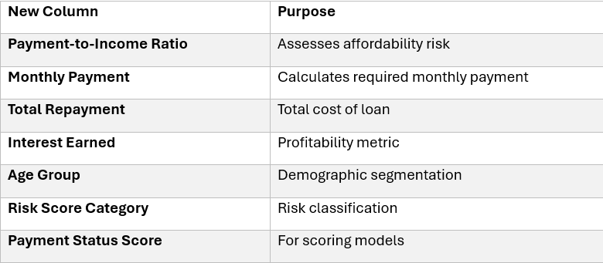
Loan ID | Customer | Payment-to-Income Ratio | Monthly Payment | Total Repayment | Interest Earned | Age Group | Risk Score Category | Payment Status Score | Narations
L001 | John Mwangi | 2.93 | $29,050.99 | $1,045,835.47 | $195,835.47 | Mid | Low | 1
L002 | Mary Wanjiku | 3.72 | $17,473.44 | $419,362.46 | $69,362.46 | Young | Medium | 1
L003 | Peter Otieno | 3.59 | $33,396.90 | $1,603,051.10 | $403,051.10 | Senior | Low | 1
L004 | Jane Akinyi | 3.6 | $11,657.38 | $209,832.77 | $29,832.77 | Mid | High | 2
L005 | David Kamau | 3.65 | $20,574.48 | $617,234.50 | $117,234.50 | Mid | Medium | 1
L006 | Grace Njeri | 3.66 | $40,989.71 | $1,967,506.31 | $467,506.31 | Senior | Low | 1
L007 | Samuel Ochieng | 5.11 | $9,786.74 | $176,161.30 | $26,161.30 | Young | High | 2
L008 | Lucy Wambui | 3.34 | $20,968.12 | $503,234.95 | $83,234.95 | Mid | Medium | 1
L009 | Brian Kiptoo | 2.73 | $32,932.06 | $1,185,554.23 | $235,554.23 | Mid | Low | 1
L010 | Ann Chebet | 3.42 | $13,145.73 | $236,623.15 | $36,623.15 | Young | High | 3
L011 | Kevin Mutua | 3.24 | $24,689.38 | $740,681.41 | $140,681.41 | Mid | Medium | 1
L012 | Sarah Atieno | 3.76 | $30,613.82 | $1,469,463.51 | $369,463.51 | Senior | Low | 1
L013 | Joseph Maina | 3.35 | $11,333.56 | $204,004.08 | $29,004.08 | Mid | High | 2
L014 | Esther Wairimu | 3.03 | $22,465.85 | $539,180.30 | $89,180.30 | Mid | Medium | 1
L015 | Daniel Kibet | 3.79 | $36,890.74 | $1,770,755.68 | $420,755.68 | Senior | Low | 1
L016 | Ruth Nyambura | 2.87 | $19,155.27 | $459,726.59 | $79,726.59 | Mid | Medium | 1
L017 | Charles Omondi | 2.7 | $35,157.03 | $1,265,653.19 | $265,653.19 | Senior | Medium | 2
L018 | Beatrice Wambui | 3.83 | $10,439.19 | $187,905.38 | $27,905.38 | Young | High | 1
L019 | Mark Kariuki | 3.76 | $22,631.93 | $678,957.95 | $128,957.95 | Mid | Low | 1
L020 | Faith Auma | 3.74 | $34,788.44 | $1,669,844.90 | $419,844.90 | Senior | Low | 1

